About Non-GAAP Financials
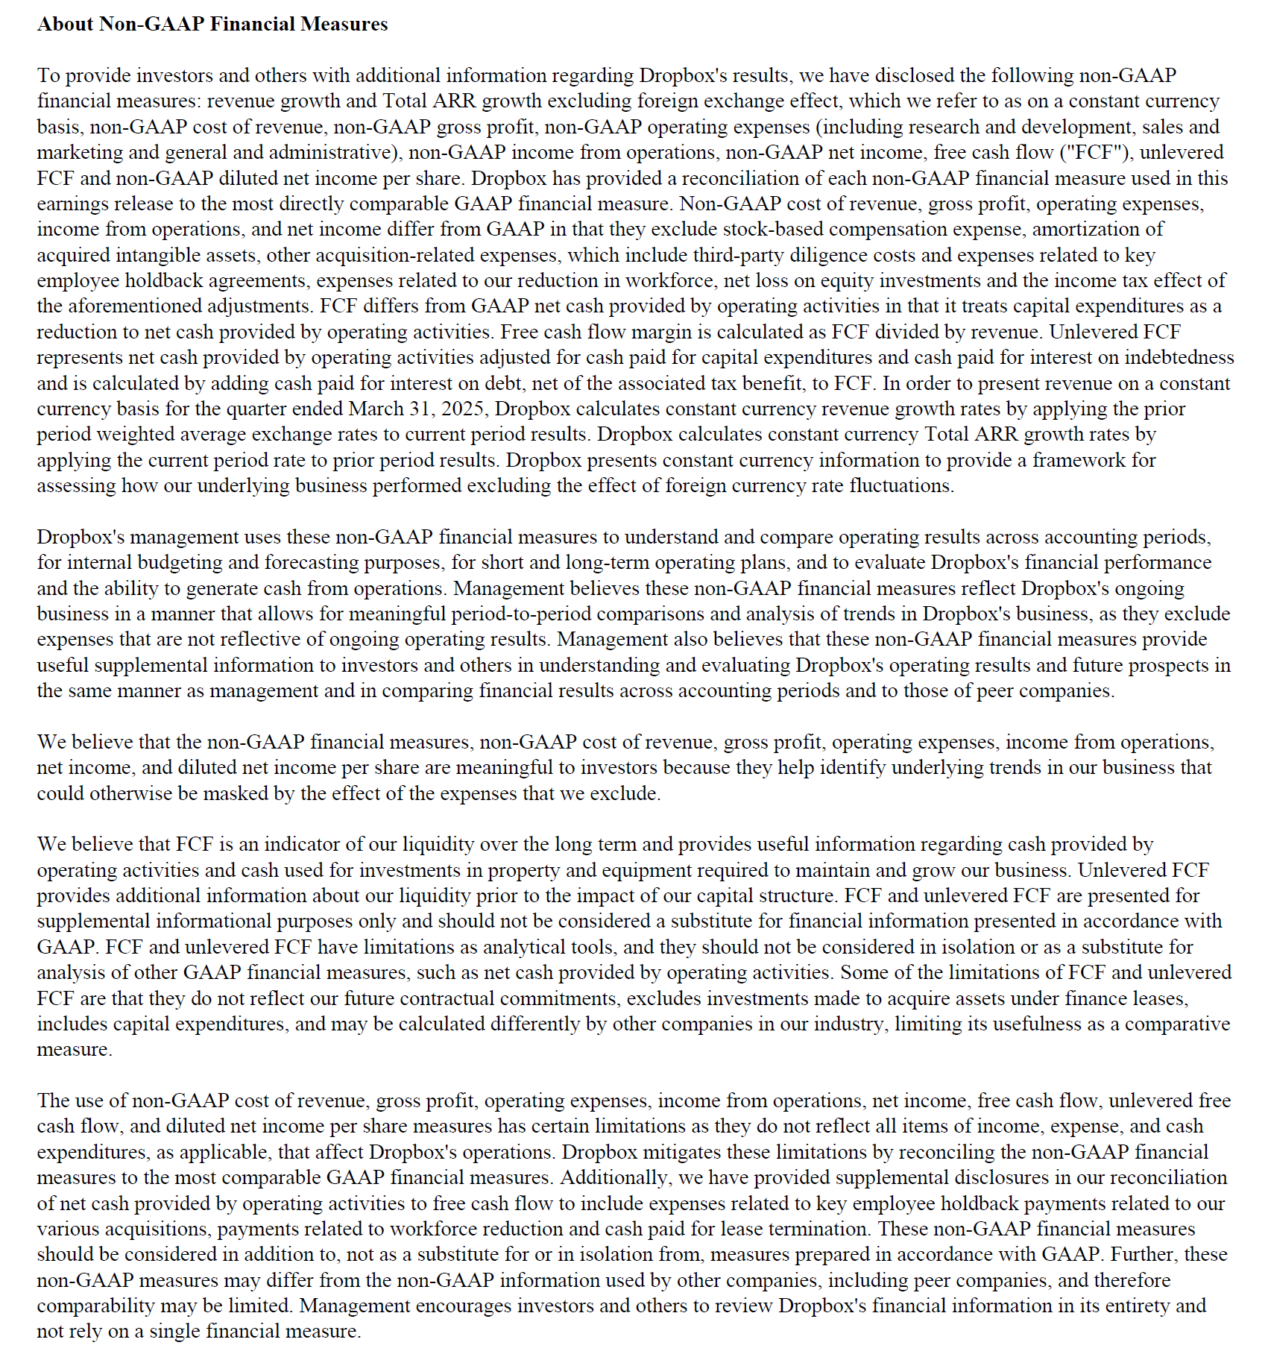

Updated | 4.25.25

