About Non-GAAP Financials
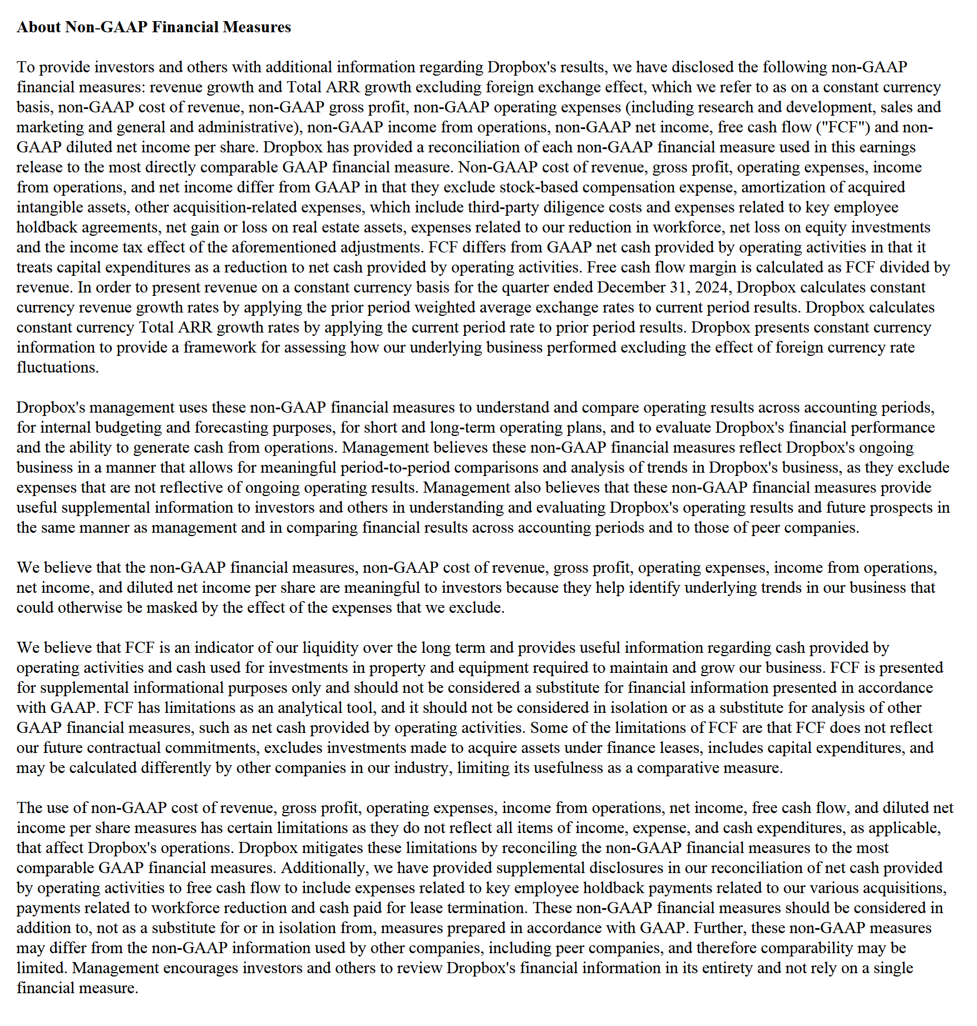

Updated | 2025-01-25

